MedLine
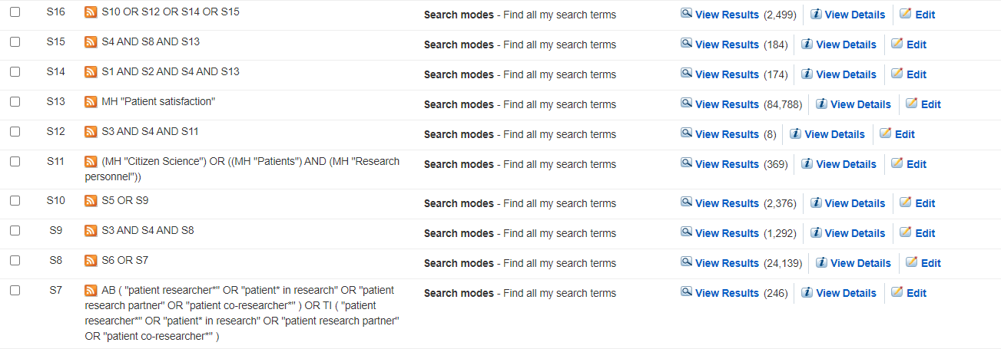
Informations générales | Moteur de recherche
 | EBSCO host
 | Base de données
 | MedLine with Full Text
 | Date de la recherche
 | 2021-06-28, 15h
 | Mots clés dans TI OR AB (sauf MeSH)

Recherche | Équation | Nombre de résultats
S1 | "patient partner*" OR "patient engagement*" OR "patient in research" OR "patient involvement" OR "patient participa*" OR "patient and public involvement*" OR "patient representativ*" OR "patient research partner*" OR "patient researcher*" OR "patient co-research*" | 10,032
S2 | research OR study OR studies | 11,082,167
S3 | experience* OR perspective* OR view* | 1,867,294
S4 | qualitative OR "focus group*" OR "field work" OR fieldwork OR interview* | 567,155
S5 | S1 AND S2 AND S3 AND S4 | 1,489
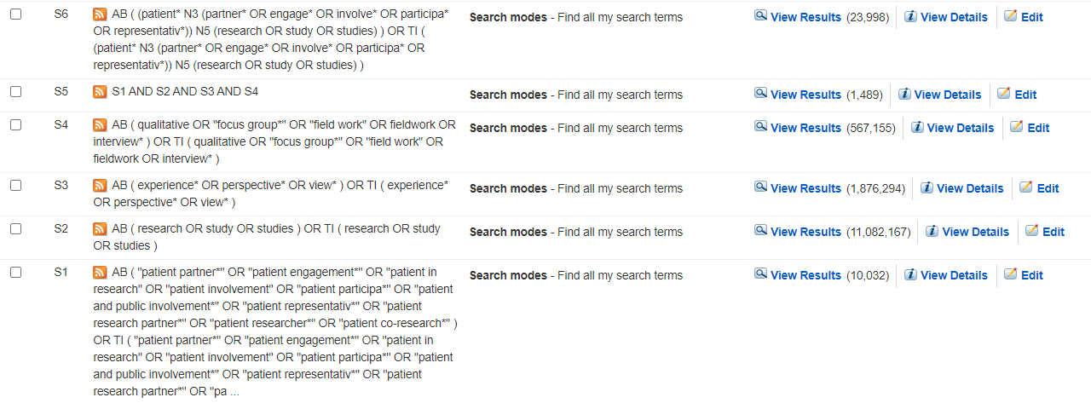
S6 | (patient* N3 (partner* OR engage* OR involve* OR participa* OR representativ*)) N5 (research OR study OR studies) | 23,998
S7 | "patient researcher*" OR "patient* in research" OR "patient research partner" OR "patient co-researcher*" | 246
S8 | S6 OR S7 | 24,139
S9 | S3 AND S4 AND S8 | 1,292
S10 | S5 OR S9 | 2,376
S11 | (MH "Citizen Science") OR ((MH "Patients") AND (MH "Research personnel")) | 369
S12 | S3 AND S4 AND S11 | 8
S13 | MH "Patient satisfaction" | 84,788
S14 | S1 AND S2 AND S4 AND S13 | 174
S15 | S4 AND S8 AND S13 | 184
S16 | S10 OR S12 OR S14 OR S15 | 2,499

Academic Search Complete
Informations générales | Moteur de recherche
 | EBSCO host
 | Base de données
 | Academic Search Complete
 | Date de la recherche
 | 2021-06-28, 15h
 | Mots clés dans TI OR AB (sauf MeSH)


Recherche | Équation | Nombre de résultats
S1 | "patient partner*" OR "patient engagement*" OR "patient in research" OR "patient involvement" OR "patient participa*" OR "patient and public involvement*" OR "patient representativ*" OR "patient research partner*" OR "patient researcher*" OR "patient co-research*" | 7,187
S2 | research OR study OR studies | 10,055,172
S3 | experience* OR perspective* OR view* | 2,502,389
S4 | qualitative OR "focus group*" OR "field work" OR fieldwork OR interview* | 762,784
S5 | S1 AND S2 AND S3 AND S4 | 1,007
S6 | (patient* N3 (partner* OR engage* OR involve* OR participa* OR representativ*)) N5 (research OR study OR studies) | 16,984
S7 | "patient researcher*" OR "patient* in research" OR "patient research partner" OR "patient co-researcher*" | 3,381
S8 | S6 OR S7 | 20,113
S9 | S3 AND S4 AND S8 | 1,115
S10 | S5 OR S9 | 1,762
S11 | (MH "Citizen Science") OR ((MH "Patients") AND (MH "Research personnel")) | 2,384
S12 | S3 AND S4 AND S11 | 84
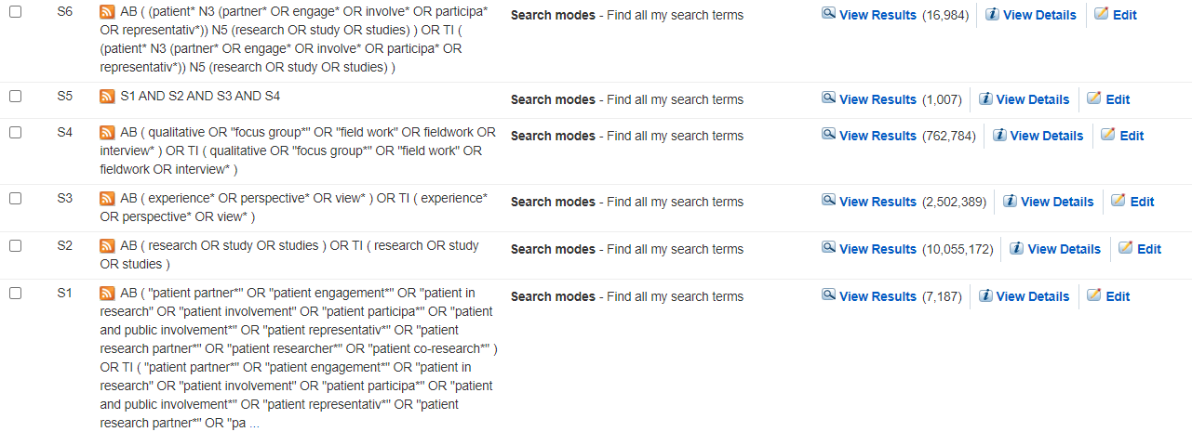
S13 | MH "Patient satisfaction" | 24,501
S14 | S1 AND S2 AND S4 AND S13 | 74
S15 | S4 AND S8 AND S13 | 98
S16 | S10 OR S12 OR S14 OR S15 | 1,887

AgeLine
Informations générales | Moteur de recherche
 | EBSCO host
 | Base de données
 | AgeLine
 | Date de la recherche
 | 2021-06-28, 15h
 | Mots clés dans TI OR AB (sauf MeSH)

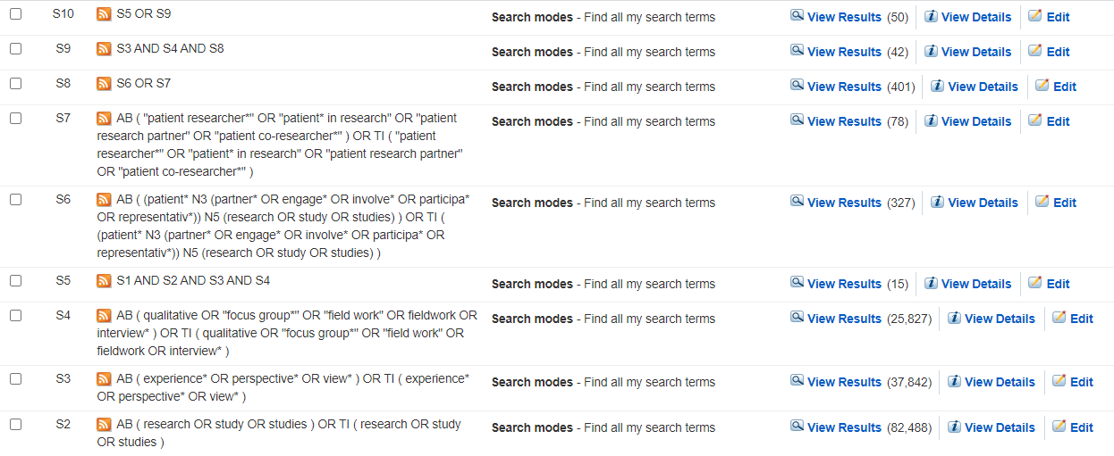
Recherche | Équation | Nombre de résultats
S1 | "patient partner*" OR "patient engagement*" OR "patient in research" OR "patient involvement" OR "patient participa*" OR "patient and public involvement*" OR "patient representativ*" OR "patient research partner*" OR "patient researcher*" OR "patient co-research*" | 179
S2 | research OR study OR studies | 82,488
S3 | experience* OR perspective* OR view* | 37,842
S4 | qualitative OR "focus group*" OR "field work" OR fieldwork OR interview* | 25,827
S5 | S1 AND S2 AND S3 AND S4 | 15
S6 | (patient* N3 (partner* OR engage* OR involve* OR participa* OR representativ*)) N5 (research OR study OR studies) | 327
S7 | "patient researcher*" OR "patient* in research" OR "patient research partner" OR "patient co-researcher*" | 78
S8 | S6 OR S7 | 401
S9 | S3 AND S4 AND S8 | 42
S10 | S5 OR S9 | 50

CINAHL Plus with Full Text
Informations générales | Moteur de recherche
 | EBSCO host
 | Base de données
 | CINAHL Plus with Full Text
 | Date de la recherche
 | 2021-06-28, 15h
 | Mots clés dans TI OR AB (sauf MeSH)

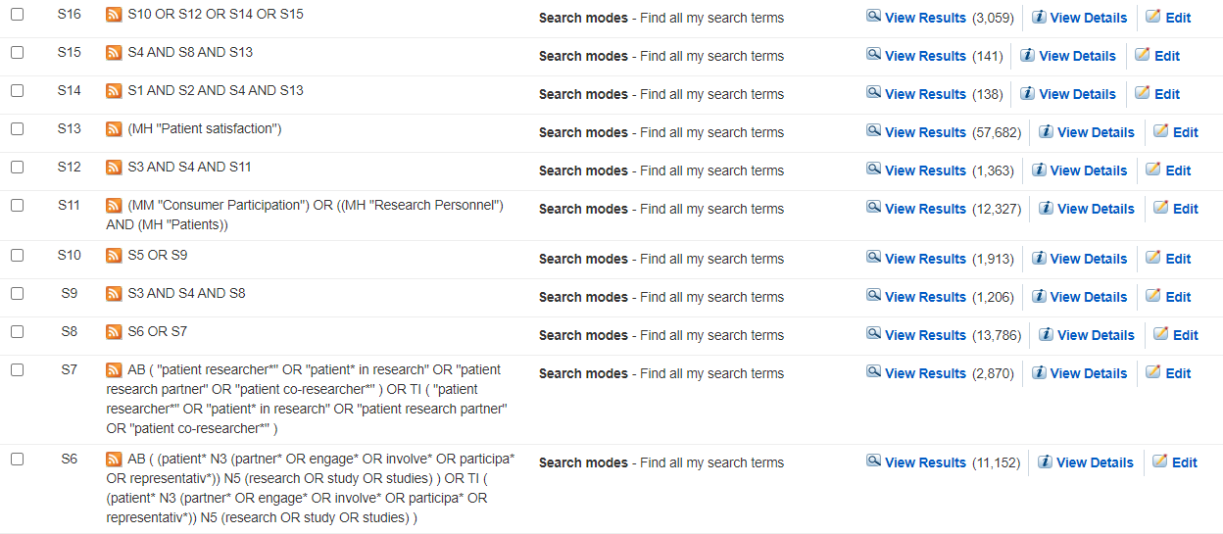
Recherche | Équation | Nombre de résultats
S1 | "patient partner*" OR "patient engagement*" OR "patient in research" OR "patient involvement" OR "patient participa*" OR "patient and public involvement*" OR "patient representativ*" OR "patient research partner*" OR "patient researcher*" OR "patient co-research*" | 7,718
S2 | research OR study OR studies | 2,427,795
S3 | experience* OR perspective* OR view* | 663,336
S4 | qualitative OR "focus group*" OR "field work" OR fieldwork OR interview* | 310,076
S5 | S1 AND S2 AND S3 AND S4 | 1,087
S6 | (patient* N3 (partner* OR engage* OR involve* OR participa* OR representativ*)) N5 (research OR study OR studies) | 11,152
S7 | "patient researcher*" OR "patient* in research" OR "patient research partner" OR "patient co-researcher*" | 2,870
S8 | S6 OR S7 | 13,786
S9 | S3 AND S4 AND S8 | 1,206
S10 | S5 OR S9 | 1,913
S11 | (MM "Consumer Participation") OR ((MH "Research Personnel") AND (MH "Patients)) | 12,327
S12 | S3 AND S4 AND S11 | 1363
S13 | (MH "Patient Satisfaction") | 57,682
S14 | S1 AND S2 AND S4 AND S13 | 138
S15 | S4 AND S8 AND S13 | 141
S16 | S10 OR S12 OR S14 OR S15 | 3,059

APA PsycArticles
Informations générales | Moteur de recherche
 | EBSCO host
 | Base de données
 | APA PsycArticles
 | Date de la recherche
 | 2021-06-28, 15h
 | Mots clés dans TI OR AB (sauf MeSH)

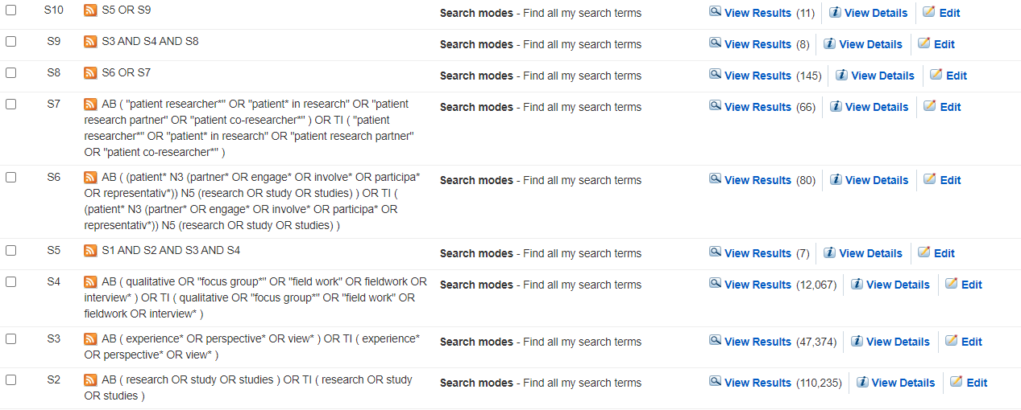
Recherche | Équation | Nombre de résultats
S1 | "patient partner*" OR "patient engagement*" OR "patient in research" OR "patient involvement" OR "patient participa*" OR "patient and public involvement*" OR "patient representativ*" OR "patient research partner*" OR "patient researcher*" OR "patient co-research*" | 105
S2 | research OR study OR studies | 110,235
S3 | experience* OR perspective* OR view* | 47,374
S4 | qualitative OR "focus group*" OR "field work" OR fieldwork OR interview* | 12,067
S5 | S1 AND S2 AND S3 AND S4 | 7
S6 | (patient* N3 (partner* OR engage* OR involve* OR participa* OR representativ*)) N5 (research OR study OR studies) | 80
S7 | "patient researcher*" OR "patient* in research" OR "patient research partner" OR "patient co-researcher*" | 66
S8 | S6 OR S7 | 145
S9 | S3 AND S4 AND S8 | 8
S10 | S5 OR S9 | 11

APA PsycInfo
Informations générales | Moteur de recherche
 | EBSCO host
 | Base de données
 | APA PsycInfo
 | Date de la recherche
 | 2021-06-28, 15h
 | Mots clés dans TI OR AB (sauf MeSH)

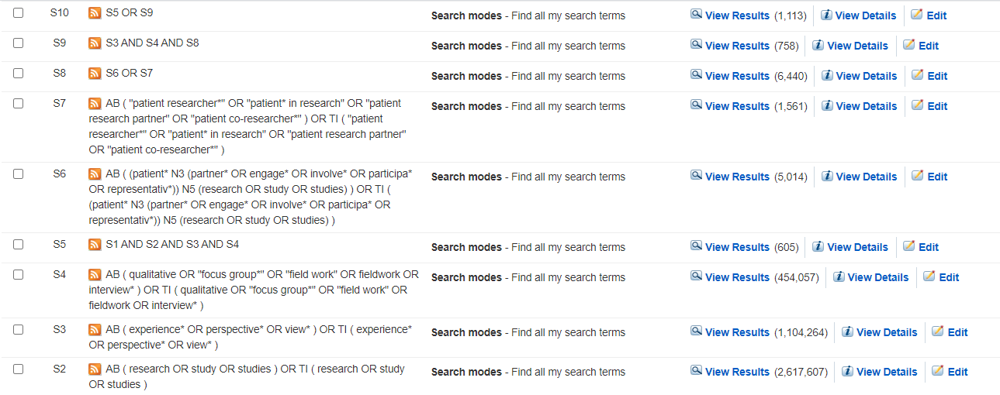
Recherche | Équation | Nombre de résultats
S1 | "patient partner*" OR "patient engagement*" OR "patient in research" OR "patient involvement" OR "patient participa*" OR "patient and public involvement*" OR "patient representativ*" OR "patient research partner*" OR "patient researcher*" OR "patient co-research*" | 3,697
S2 | research OR study OR studies | 2,617,607
S3 | experience* OR perspective* OR view* | 1,104,264
S4 | qualitative OR "focus group*" OR "field work" OR fieldwork OR interview* | 454,057
S5 | S1 AND S2 AND S3 AND S4 | 605
S6 | (patient* N3 (partner* OR engage* OR involve* OR participa* OR representativ*)) N5 (research OR study OR studies) | 5,014
S7 | "patient researcher*" OR "patient* in research" OR "patient research partner" OR "patient co-researcher*" | 1,561
S8 | S6 OR S7 | 6,440
S9 | S3 AND S4 AND S8 | 758
S10 | S5 OR S9 | 1,113

PsychologyBehavioralSciencesCo
Informations générales | Moteur de recherche
 | EBSCO host
 | Base de données
 | Psychology and Behavioral Sciences Collection
 | Date de la recherche
 | 2021-06-28, 15h
 | Mots clés dans TI OR AB (sauf MeSH)

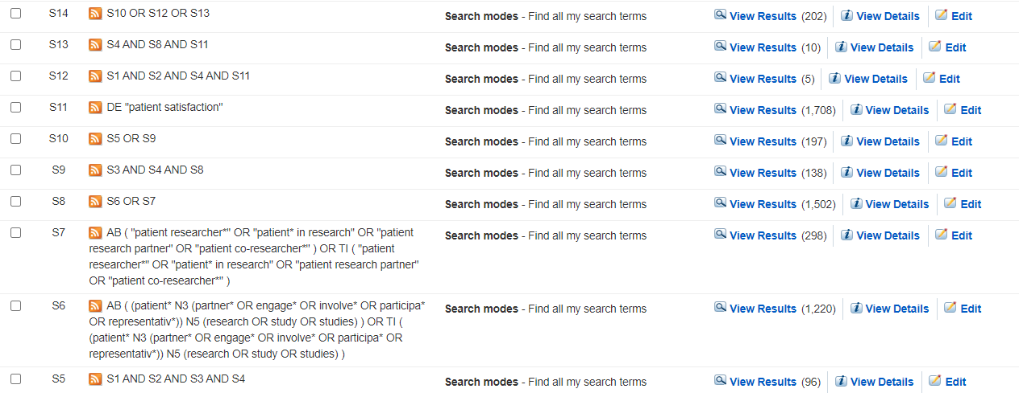
Recherche | Équation | Nombre de résultats
S1 | "patient partner*" OR "patient engagement*" OR "patient in research" OR "patient involvement" OR "patient participa*" OR "patient and public involvement*" OR "patient representativ*" OR "patient research partner*" OR "patient researcher*" OR "patient co-research*" | 588
S2 | research OR study OR studies | 551,824
S3 | experience* OR perspective* OR view* | 178,494
S4 | qualitative OR "focus group*" OR "field work" OR fieldwork OR interview* | 73,273
S5 | S1 AND S2 AND S3 AND S4 | 96
S6 | (patient* N3 (partner* OR engage* OR involve* OR participa* OR representativ*)) N5 (research OR study OR studies) | 1,220
S7 | "patient researcher*" OR "patient* in research" OR "patient research partner" OR "patient co-researcher*" | 298
S8 | S6 OR S7 | 1,502
S9 | S3 AND S4 AND S8 | 138
S10 | S5 OR S9 | 197
S11 | DE "patient satisfaction" | 1,708
S12 | S1 AND S2 AND S4 AND S11 | 5
S13 | S4 AND S8 AND S11 | 10
S14 | S10 OR S12 OR S13 | 202

Social Works Abstracts
Informations générales | Moteur de recherche
 | EBSCO host
 | Base de données
 | Social Works Abstracts
 | Date de la recherche
 | 2021-06-28, 15h
 | Mots clés dans TI OR AB (sauf MeSH)

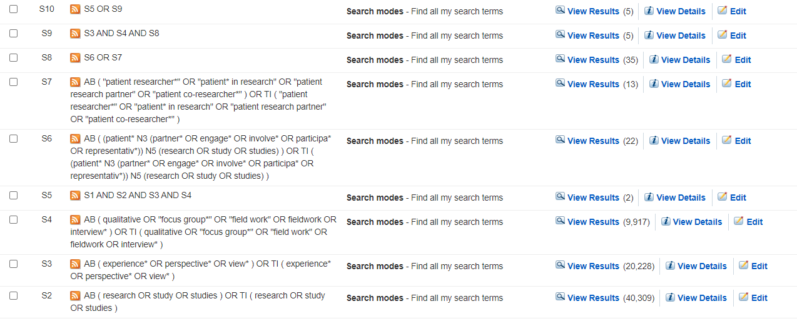
Recherche | Équation | Nombre de résultats
S1 | "patient partner*" OR "patient engagement*" OR "patient in research" OR "patient involvement" OR "patient participa*" OR "patient and public involvement*" OR "patient representativ*" OR "patient research partner*" OR "patient researcher*" OR "patient co-research*" | 24
S2 | research OR study OR studies | 40,309
S3 | experience* OR perspective* OR view* | 20,228
S4 | qualitative OR "focus group*" OR "field work" OR fieldwork OR interview* | 9,917
S5 | S1 AND S2 AND S3 AND S4 | 2
S6 | (patient* N3 (partner* OR engage* OR involve* OR participa* OR representativ*)) N5 (research OR study OR studies) | 22
S7 | "patient researcher*" OR "patient* in research" OR "patient research partner" OR "patient co-researcher*" | 13
S8 | S6 OR S7 | 35
S9 | S3 AND S4 AND S8 | 5
S10 | S5 OR S9 | 5

SocINDEX
Informations générales | Moteur de recherche
 | EBSCO host
 | Base de données
 | SocINDEX
 | Date de la recherche
 | 2021-06-28, 15h
 | Mots clés dans TI OR AB (sauf MeSH)

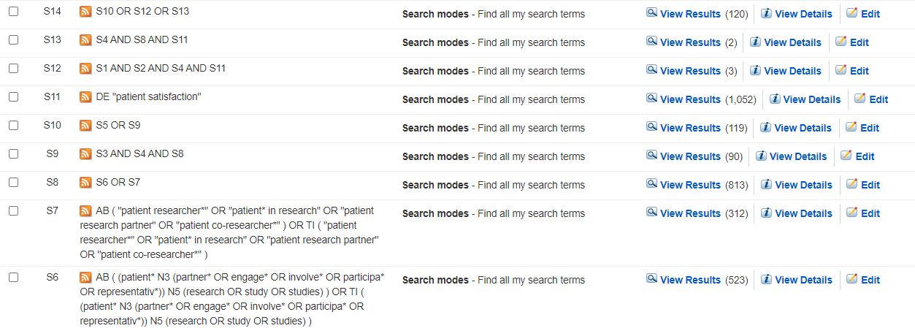
Recherche | Équation | Nombre de résultats
S1 | "patient partner*" OR "patient engagement*" OR "patient in research" OR "patient involvement" OR "patient participa*" OR "patient and public involvement*" OR "patient representativ*" OR "patient research partner*" OR "patient researcher*" OR "patient co-research*" | 653
S2 | research OR study OR studies | 839,042
S3 | experience* OR perspective* OR view* | 442,308
S4 | qualitative OR "focus group*" OR "field work" OR fieldwork OR interview* | 168,330
S5 | S1 AND S2 AND S3 AND S4 | 63
S6 | (patient* N3 (partner* OR engage* OR involve* OR participa* OR representativ*)) N5 (research OR study OR studies) | 523
S7 | "patient researcher*" OR "patient* in research" OR "patient research partner" OR "patient co-researcher*" | 312
S8 | S6 OR S7 | 813
S9 | S3 AND S4 AND S8 | 90
S10 | S5 OR S9 | 119
S11 | DE "patient satisfaction" | 1052
S12 | S1 AND S2 AND S4 AND S11 | 3
S13 | S4 AND S8 AND S11 | 2
S14 | S10 OR S12 OR S13 | 120

Scopus
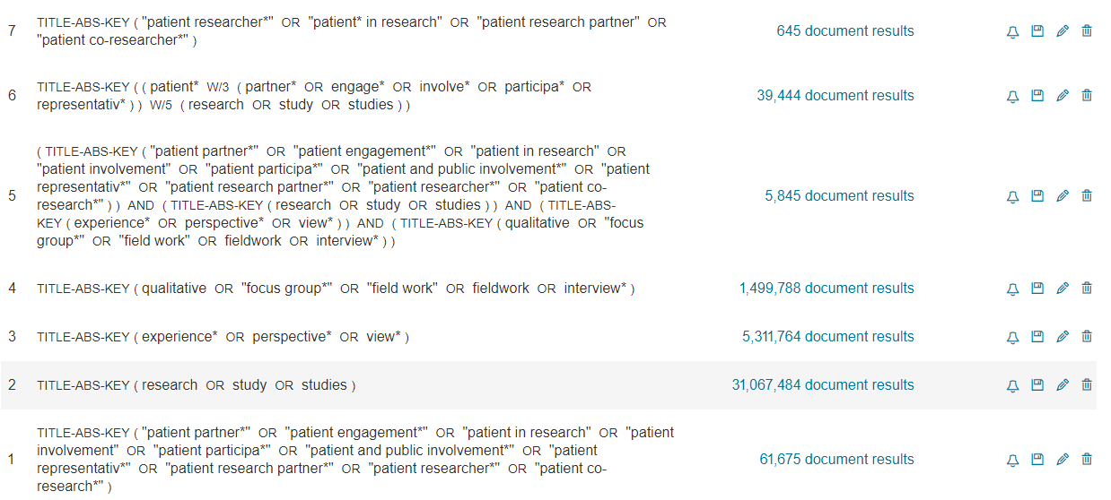
Informations générales | Moteur de recherche
 | Scopus
 | Base de données
 | Tout mais exclusion de MedLine
 | Date de la recherche
 | 2021-06-28, 15h
 | Mots clés dans TITLE-ABS-KEY

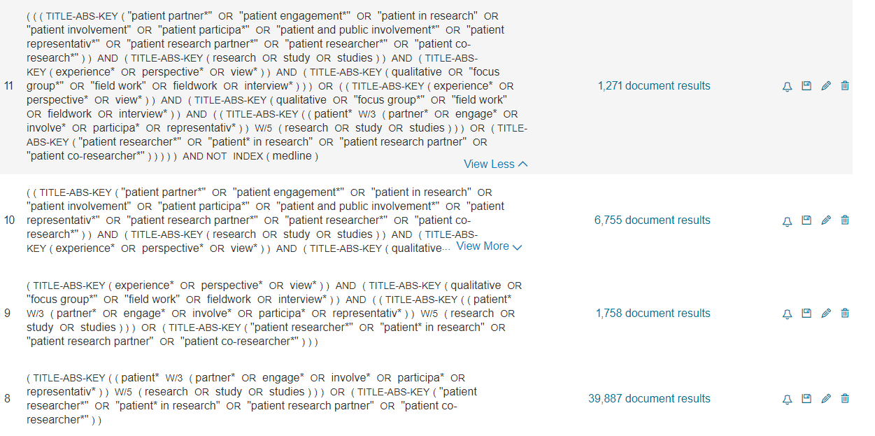
Recherche | Équation | Nombre de résultats
#1 | "patient partner*" OR "patient engagement*" OR "patient in research" OR "patient involvement" OR "patient participa*" OR "patient and public involvement*" OR "patient representativ*" OR "patient research partner*" OR "patient researcher*" OR "patient co-research*" | 61,675
#2 | research OR study OR studies | 31,067,484
#3 | experience* OR perspective* OR view* | 5,311,764
#4 | qualitative OR "focus group*" OR "field work" OR fieldwork OR interview* | 1,499,788
#5 | #1 AND #2 AND #3 AND #4 | 5,845
#6 | (patient* W/3 (partner* OR engage* OR involve* OR participa* OR representativ*)) W/5 (research OR study OR studies) | 39,444
#7 | "patient researcher*" OR "patient* in research" OR "patient research partner" OR "patient co-researcher*" | 645
#8 | #6 OR #7 | 39,887
#9 | #3 AND #4 AND #8 | 1,758
#10 | #5 OR #9 | 6,755
#11 | #10 AND NOT INDEX(medline) | 1271

#11 écrit sur le long (créé par Scopus) | ( ( ( TITLE-ABS-KEY ( "patient partner*" OR "patient engagement*" OR "patient in research" OR "patient involvement" OR "patient participa*" OR "patient and public involvement*" OR "patient representativ*" OR "patient research partner*" OR "patient researcher*" OR "patient co-research*" ) ) AND ( TITLE-ABS-KEY ( research OR study OR studies ) ) AND ( TITLE-ABS-KEY ( experience* OR perspective* OR view* ) ) AND ( TITLE-ABS-KEY ( qualitative OR "focus group*" OR "field work" OR fieldwork OR interview* ) ) ) OR ( ( TITLE-ABS-KEY ( experience* OR perspective* OR view* ) ) AND ( TITLE-ABS-KEY ( qualitative OR "focus group*" OR "field work" OR fieldwork OR interview* ) ) AND ( ( TITLE-ABS-KEY ( ( patient* W/3 ( partner* OR engage* OR involve* OR participa* OR representativ* ) ) W/5 ( research OR study OR studies ) ) ) OR ( TITLE-ABS-KEY ( "patient researcher*" OR "patient* in research" OR "patient research partner" OR "patient co-researcher*" ) ) ) ) ) AND NOT INDEX ( medline )

