Sheet1
 | Sample cod | isolates | average of inhibition zone of Nanoparticles of lemon(mm) |  |  |  |  | average of inhibition zone of Nano particles of pomegranate peel(mm)
 |  |  | 50 | 30 | 15 | 7 | 5 | 50 | 30 | 15 | 7 | 5

 | 2 | E. coli | 11 | 11 | 12 | 11 | 12 | 0 | 0 | 0 | 9.5 | 0
 | 21 | Enterococcus faecalis | 15 | 16 | 16 | 15 | 13 | 13 | 13 | 12 | 0 | 0
 | 38 | Pseudomonas aeruginosa | 0 | 0 | 0 | 0 | 0 | 12 | 13 | 12 | 10.5 | 0
 | 45 | Acinetobacter baumannii | 12 | 0 | 0 | 0 | 0 | 17 | 16 | 14 | 0 | 0
 | 87 | Klebsiella pneumoniae | 13 | 13 | 12 | 12 | 13 | 9 | 9 | 0 | 0 | 0

Lemon and pomegranate NPs
 | Lemon extract |  |  |  |  | pomegranate peel extract
 | L50 | L30 | L15 | L7 | L5 | P50 | P30 | P15 | P7 | P5 | P control | L control
E. coli | 11 | 11 | 12 | 11 | 12 | 0 | 0 | 0 | 9.5 | 0 | 0 | 0
Enterococcus faecalis | 15 | 16 | 16 | 15 | 13 | 13 | 13 | 12 | 0 | 0 | 0 | 0
Pseudomonas aeruginosa | 0 | 0 | 0 | 0 | 0 | 12 | 13 | 12 | 10.5 | 0 | 0 | 0
Acinetobacter baumannii | 12 | 0 | 0 | 0 | 0 | 17 | 16 | 14 | 0 | 0 | 0 | 0
Klebsiella pneumoniae | 13 | 13 | 12 | 12 | 13 | 9 | 9 | 0 | 0 | 0 | 0 | 0

Sheet2
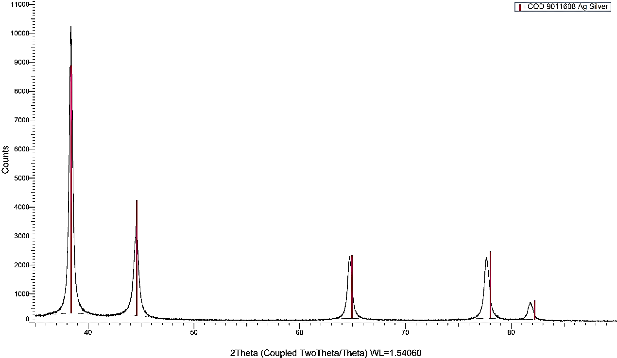
20 (Degree)
Intensity

