2. Do reported values differ
The RSVP Tool - Part 2: reviewing existing data - are two reported values without replication signficantly different from one another at a given level of confidence?
Context: Much of the reported data does not involve sample replication from the field, and so does not have any measure of the variability around each reported value. Tanaka et al., 2023 proposed an approach to estimate the confidence intervals around single measurements of microplastics in rivers based on the Poisson point process. This works on the principle that the particles are randomly distributed in the liquid sampled, so how many are likely to be caught in a given volume follows the Poisson distribution. It does NOT deal with other uncertainties with regards to correctly identifying a plastic or correctly measuring a volume etc. The user must justify that the assumptions of the Poisson distribution are met, most importantly the assumptions of a random distribution pattern of particles driven by processes such as turbulent dispersion and that particles are independent of one another. Adapting this approach, Part 2 of the RSVP Tool allows the user to estimate confidence intervals for a reported concentration and to compare the overlap in these confidence intervals to test the significance of any measured difference between single measurements of microplastic concentrations. This only requires the reported concentration and the ammount of sample captured as inputs. These concentrations are converted to the total number of microplastic particles detected in each record and the inverse gamma function applied to calculate the upper and lower limits of confidence intervals (CI) based on a set of common confidence levels (e.g. alpha 0.1, 0.05, 0.01 and 0.001). With knowledge of the ammount sampled (e.g. the volume of sample captured through pumped filtration, or the surface area trawled with a net sampler) the upper and lower limits for these confidence intervals (90, 95, 99 and 99.9% CIs) can be calulated. The overlap between these CIs is then tested to determine at which level of confidence differences can be considered statistically significant between the two re

How to use this tool: Gold highlighted cells are those which require user input. The user can select any two values from the literature that you wish to evaluate. The user must provide the units of the measurement, the concentration and the ammount of sample represented in each reported value Confidence intervals are then calculated based on the inverse gamma function and a summary table of these provided along side graphical representations of these CIs at different confidence levels. This provides a visual guide to whether the upper and lower bounds of the lowest and highest value respectively overlap at each given confidence level. A final summary table reports the confidence level to which the two values can be said to be significantly different.

1. What unit is used to describe the sample size and concentration? (for example, L, m3, cm2, kg - both samples need to use the same units, convert if necessary)

 | sample size unit used |  |  |  | Gold cells require user input - these change to white cells with green text when complete

2. Provide the concentration and ammount sampled to generate the parameters required to estimate confidence intervals for each reported concentration

 |  | Sample 1 | Sample 2 | NOTE: the user can enter their own sample names if desired
 | Concentration in MP/
 | Amount sampled in
 | Total number of microplastics in sample | 0 | 0 | NOTE: if one of these cells is highlighted in yellow, the total number of microplastics counted was <10 (after blank correction, if applied) and the estimation of confidence intervals based on the Poisson distribution should be treated with caution
 | Shape parameter A (lower) | - | -
 | Shape parameter A (upper) | - | -
 | Rate parameter B | 1 | 1
 | The lower value is… | - |  | NOTE: This cell defines whether Value 1 or Value 2 is higher and therefore how to compare the overlap in CI (overlap is always calculated as the upper limit of the lowest value compared to the lower limit of the highest value)

3. Now the lower and upper limits of the confidence intervals are calculated for In (the intervals based on total microplastic numbers) and Ic (the intervals based on the concentration reported)

 | Tips: - Predefined levels of confidence are already assiged based on common alpha values used in statistical analysis (0.1, 0.05, 0.01 and 0.001). The user may also define their own confidence level by filling in the orange highlighted cell - The figures to the right of the table are a visual guide to the width of the confidence intervals based on each defined confidence level. If the bars visibly overlap (highlighted with a red shaded area) then there is not a significant difference at this confidence level. If the bars do not overlap between Sample 1 and Sample 2, then it is estimated that there is a significant difference at this confidence level

 | Lower limit MP/L | conc-lower limit | upper limit-conc
 | 0.000 | 0.000 | 0.000
α=0.1 | 0.000 |  | 0.000
 | 0.000 | 0.000 | 0.000
 | 0.000 | 0.000 | 0.000
 | 0.000 | 0.000 | 0.000
α=0.05 | 0.000 |  | 0.000
 | 0.000 | 0.000 | 0.000
 | 0.000 | 0.000 | 0.000
 | 0.000 | 0.000 | 0.000
α=0.01 | 0.000 |  | 0.000
 | 0.000 | 0.000 | 0.000
 | 0.000 | 0.000 | 0.000
 | 0.000 | 0.000 | 0.000
α=0.001 | 0.000 |  | 0.000
 | 0.000 | 0.000 | 0.000
 | 0.000 | 0.000 | 0.000
 | 0.000 | 0.000 | 0.000
α=User defined | 0.000 |  | 0.000
 | 0.000 | 0.000 | 0.000
 | Significance level | Confidence coefficient | In |  | Ic
 | α | (1-α)*100 | Lower limit total MPs | Upper limit total MPs | Lower limit MP/ | Upper limit MP/ | Width of the confidence intervals
Sample 1 | 0.1 | 90% | #VALUE! | #VALUE! | #VALUE! | #VALUE! | #VALUE!
 | 0.05 | 95% | #VALUE! | #VALUE! | #VALUE! | #VALUE! | #VALUE!
 | 0.01 | 99% | #VALUE! | #VALUE! | #VALUE! | #VALUE! | #VALUE!
 | 0.001 | 99.9% | #VALUE! | #VALUE! | #VALUE! | #VALUE! | #VALUE!
 |  | - | - | - | - | - | -
Sample 2 | 0.1 | 90% | #VALUE! | #VALUE! | #VALUE! | #VALUE! | #VALUE!
 | 0.05 | 95% | #VALUE! | #VALUE! | #VALUE! | #VALUE! | #VALUE!
 | 0.01 | 99% | #VALUE! | #VALUE! | #VALUE! | #VALUE! | #VALUE!
 | 0.001 | 99.9% | #VALUE! | #VALUE! | #VALUE! | #VALUE! | #VALUE!
 | User defined | - | - | - | - | - | -

4. Summary table: use this to report the significance of any differences between the two reported concetrations |  |  |  |  |  |  |  | 5. Summary graphs - where there is overlap between the two confidence intervals and so a significant difference is not observed, a red shaded area appears

 | Are the two reported concentrations significantly different at defined levels of confidence?
 | Significance level α | Outcome
 | 0.10 | #VALUE!
 | 0.05 | #VALUE!
 | 0.01 | #VALUE!
 | 0.001 | #VALUE!
 | - | -

 | Key to the equations:
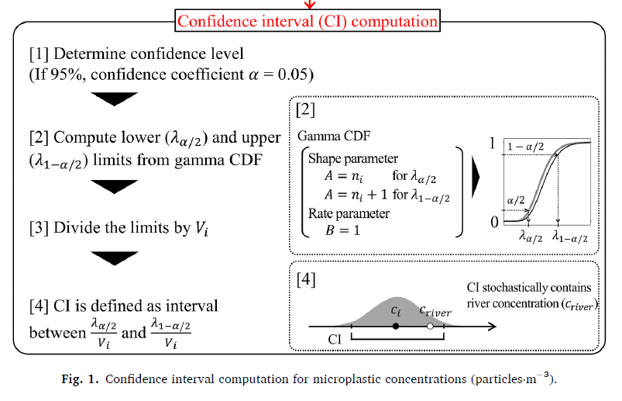
 |  |  |  |  | More details on the approach to determine the confidence intervals for a given expected concentration of microplastics using the inverse gamma function are available in Tanaka et al., 2023 (see the basic overview of the approach reproduced from Tanaka et al., 2023: left) Here we introduce an additional step after step [4], where the upper confidence interval of the lower value and lower confidence interval of the higher value are compared at a series of given significance levels and a summary report provided to conclude whether the two samples are considered statistically significantly different from one another at each significance level. The probability density function based on the Poisson distribution is a special case of the gamma function, for which the shape parameters and rate parameters are set as in Tanaka et al., 2023. The Beta / Rate parameter = a parameter to set the distribution. If beta = 1, GAMMA.DIST returns the standard gamma distribution. An illustration of this is provided in Tab 3 in this tool "3. Illustration"

 | Fig. 1: reproduced from Tanaka et al. 2023 "An analytical approach to confidence interval estimation of river microplastic sampling"
 | https://doi.org/10.1016/j.envpol.2023.122310

3. Illustration
The related Poisson and Gamma distributions and different uses within the RSVP tool are illustrated in the following example.

In this example you have sampled from an environment, say a river, and captured 10 particles in one litre.
However, the λ (expected number of particles in the volume you sampled) for this reach of the river is actually 8.1 particles/L.
If you were to take sufficient replicate samples your average concentration would represent λ.
So what was the probability of you capturing exactly 10 particles in your sample? How likely is it that if you were to repeat your sampling, you would capture at least 10 particles next time?
The related Poisson and Gamma distributions can answer these questions.

In Figure 1, the probability mass function of capturing exactly 10 particles if the expected λ = 8.1 is ≈10.2%.
Therefore, if you were to repeat sample enough times, around 1 in every 10 times you sample from this environment, you might expect to capture exactly 10 particles.
The probability of capturing at least 10 particles next time you sample if the expected λ = 8.1 is ≈29.6% (Figure 2).

Expected value λ=8.1
 | Gamma |  | Poisson |  | Poisson
0 | 0.00030353913808 | 0 | 3.04E-04 | -0.5 | 0
0.1 | 0.00039329871232 | 1 | 2.46E-03 | -0.5 | 0.00030353913808
0.2 | 0.00050233009347 | 2 | 9.96E-03 | 0.5 | 0.00030353913808
0.3 | 0.00063349023544 | 3 | 2.69E-02 | 0.5 | 0
0.4 | 0.00078987057017 | 4 | 5.44E-02 | 0.5 | 0.0024586670184
0.5 | 0.0009747926936 | 5 | 8.82E-02 | 1.5 | 0.0024586670184
0.6 | 0.001191800849 | 6 | 1.19E-01 | 1.5 | 0
0.7 | 0.0014446510717 | 7 | 1.38E-01 | 1.5 | 0.0099576014247
0.8 | 0.001737296903 | 8 | 1.40E-01 | 2.5 | 0.0099576014247
0.9 | 0.0020738716246 | 9 | 1.26E-01 | 2.5 | 0
1 | 0.0024586670184 | 10 | 1.02E-01 | 2.5 | 0.026885523847
1.1 | 0.0028961086998 | 11 | 7.49E-02 | 3.5 | 0.026885523847
1.2 | 0.0033907281309 | 12 | 5.05E-02 | 3.5 | 0
1.3 | 0.003947131467 | 13 | 3.15E-02 | 3.5 | 0.054443185789
1.4 | 0.0045699654417 | 14 | 1.82E-02 | 4.5 | 0.054443185789
1.5 | 0.0052638805454 | 15 | 9.84E-03 | 4.5 | 0
1.6 | 0.006033491798 | 16 | 4.98E-03 | 4.5 | 0.088197960979
1.7 | 0.0068833374595 | 17 | 2.37E-03 | 5.5 | 0.088197960979
1.8 | 0.0078178360633 | 18 | 1.07E-03 | 5.5 | 0
1.9 | 0.0088412421892 | 19 | 4.55E-04 | 5.5 | 0.11906724732
2 | 0.0099576014247 | 20 | 1.84E-04 | 6.5 | 0.11906724732
2.1 | 0.011170704985 | 21 | 7.11E-05 | 6.5 | 0
2.2 | 0.012484044482 | 22 | 2.62E-05 | 6.5 | 0.13777781476
2.3 | 0.01390076734 | 23 | 9.22E-06 | 7.5 | 0.13777781476
2.4 | 0.015423633366 | 24 | 3.11E-06 | 7.5 | 0
2.5 | 0.017054972967 | 25 | 1.01E-06 | 7.5 | 0.13950003744
2.6 | 0.018796647525 | 26 | 3.14E-07 | 8.5 | 0.13950003744
2.7 | 0.020650012378 | 27 | 9.43E-08 | 8.5 | 0
2.8 | 0.022615882897 | 28 | 2.73E-08 | 8.5 | 0.1255500337
2.9 | 0.024694504046 | 29 | 7.62E-09 | 9.5 | 0.1255500337
3 | 0.026885523847 | 30 | 2.06E-09 | 9.5 | 0
3.1 | 0.02918797109 | 31 | 5.37E-10 | 9.5 | 0.1016955273
3.2 | 0.031600237595 | 32 | 1.36E-10 | 10.5 | 0.1016955273
3.3 | 0.03412006529 | 33 | 3.34E-11 | 10.5 | 0
3.4 | 0.036744538312 | 34 | 7.95E-12 | 10.5 | 0.074884888281
3.5 | 0.039470080295 | 35 | 1.84E-12 | 11.5 | 0.074884888281
3.6 | 0.04229245693 | 36 | 4.14E-13 | 11.5 | 0
3.7 | 0.045206783856 | 37 | 9.07E-14 | 11.5 | 0.05054729959
3.8 | 0.04820753986 | 38 | 1.93E-14 | 12.5 | 0.05054729959
3.9 | 0.051288585326 | 39 | 4.01E-15 | 12.5 | 0
4 | 0.054443185789 | 40 | 8.13E-16 | 12.5 | 0.031494855898
4.1 | 0.057664040446 | 41 | 1.61E-16 | 13.5 | 0.031494855898
4.2 | 0.060943315362 | 42 | 3.10E-17 | 13.5 | 0
4.3 | 0.064272681127 | 43 | 5.83E-18 | 13.5 | 0.01822202377
4.4 | 0.067643354621 | 44 | 1.07E-18 | 14.5 | 0.01822202377
4.5 | 0.071046144532 | 45 | 1.93E-19 | 14.5 | 0
4.6 | 0.074471500247 | 46 | 3.40E-20 | 14.5 | 0.0098398928356
4.7 | 0.077909563666 | 47 | 5.87E-21 | 15.5 | 0.0098398928356
4.8 | 0.081350223514 | 48 | 9.90E-22 | 15.5 | 0
4.9 | 0.084783171661 | 49 | 1.64E-22 | 15.5 | 0.004981445748
...
 | Figure 1 |  |  |  |  |  | Figure 2
Expected value λ=8.1
 | Gamma |  | Poisson P(at least k) |  | Poisson
0 | 1 | 0 | 1.0000E+00 | -0.5 | 0
0.1 | 0.99999558876 | 1 | 9.9970E-01 | -0.5 | 1
0.2 | 0.99998861521 | 2 | 9.9724E-01 | 0.5 | 1
0.3 | 0.99997823923 | 3 | 9.8728E-01 | 0.5 | 0
0.4 | 0.99996344253 | 4 | 9.6039E-01 | 0.5 | 0.99969646086
0.5 | 0.99994300588 | 5 | 9.0595E-01 | 1.5 | 0.99969646086
0.6 | 0.99991548547 | 6 | 8.1775E-01 | 1.5 | 0
0.7 | 0.99987918863 | 7 | 6.9869E-01 | 1.5 | 0.99723779384
0.8 | 0.99983214911 | 8 | 5.6091E-01 | 2.5 | 0.99723779384
0.9 | 0.99977210236 | 9 | 4.2141E-01 | 2.5 | 0
1 | 0.99969646086 | 10 | 2.9586E-01 | 2.5 | 0.98728019242
1.1 | 0.99960229005 | 11 | 1.9416E-01 | 3.5 | 0.98728019242
1.2 | 0.99948628511 | 12 | 1.1928E-01 | 3.5 | 0
1.3 | 0.99934474899 | 13 | 6.8731E-02 | 3.5 | 0.96039466857
1.4 | 0.99917357196 | 14 | 3.7236E-02 | 4.5 | 0.96039466857
1.5 | 0.99896821319 | 15 | 1.9014E-02 | 4.5 | 0
1.6 | 0.99872368463 | 16 | 9.1739E-03 | 4.5 | 0.90595148278
1.7 | 0.99843453755 | 17 | 4.1925E-03 | 5.5 | 0.90595148278
1.8 | 0.99809485221 | 18 | 1.8189E-03 | 5.5 | 0
1.9 | 0.99769823074 | 19 | 7.5086E-04 | 5.5 | 0.8177535218
2 | 0.99723779384 | 20 | 2.9552E-04 | 6.5 | 0.8177535218
2.1 | 0.99670618135 | 21 | 1.1111E-04 | 6.5 | 0
2.2 | 0.99609555698 | 22 | 3.9979E-05 | 6.5 | 0.69868627448
2.3 | 0.99539761752 | 23 | 1.3791E-05 | 7.5 | 0.69868627448
2.4 | 0.99460360652 | 24 | 4.5674E-06 | 7.5 | 0
2.5 | 0.99370433264 | 25 | 1.4547E-06 | 7.5 | 0.56090845972
2.6 | 0.99269019283 | 26 | 4.4612E-07 | 8.5 | 0.56090845972
2.7 | 0.99155120009 | 27 | 1.3192E-07 | 8.5 | 0
2.8 | 0.99027701615 | 28 | 3.7658E-08 | 8.5 | 0.42140842228
2.9 | 0.98885698855 | 29 | 1.0390E-08 | 9.5 | 0.42140842228
3 | 0.98728019242 | 30 | 2.7734E-09 | 9.5 | 0
3.1 | 0.98553547636 | 31 | 7.1703E-10 | 9.5 | 0.29585838858
3.2 | 0.9836115125 | 32 | 1.7971E-10 | 10.5 | 0.29585838858
3.3 | 0.98149685018 | 33 | 4.3707E-11 | 10.5 | 0
3.4 | 0.97917997315 | 34 | 1.0323E-11 | 10.5 | 0.19416286129
3.5 | 0.97664935968 | 35 | 2.3697E-12 | 11.5 | 0.19416286129
3.6 | 0.9738935453 | 36 | 5.2913E-13 | 11.5 | 0
3.7 | 0.97090118772 | 37 | 1.1502E-13 | 11.5 | 0.11927797301
3.8 | 0.96766113325 | 38 | 2.4425E-14 | 12.5 | 0.11927797301
3.9 | 0.96416248451 | 39 | 5.1070E-15 | 12.5 | 0
4 | 0.96039466857 | 40 | 0.0000E+00 | 12.5 | 0.068730673418
4.1 | 0.95634750527 | 41 | 0.0000E+00 | 13.5 | 0.068730673418
4.2 | 0.95201127491 | 42 | 0.0000E+00 | 13.5 | 0
4.3 | 0.94737678489 | 43 | 0.0000E+00 | 13.5 | 0.03723581752
4.4 | 0.94243543484 | 44 | 0.0000E+00 | 14.5 | 0.03723581752
4.5 | 0.93717927938 | 45 | 0.0000E+00 | 14.5 | 0
4.6 | 0.93160108837 | 46 | 0.0000E+00 | 14.5 | 0.01901379375
4.7 | 0.92569440386 | 47 | 0.0000E+00 | 15.5 | 0.01901379375
4.8 | 0.91945359339 | 48 | 0.0000E+00 | 15.5 | 0
4.9 | 0.91287389918 | 49 | 0.0000E+00 | 15.5 | 0.0091739009148
...

 |  |  |  |  |  |  |  | Illustration of the Poisson and Gamma distributions for expected value λ= | 8.1

However, if the true concentration was lower, say λ = 3, the chance of capturing exactly 10 particles is now much lower, ≈0.08% (Figure 3)
The probability of capturing at least 10 particles is also very low at ≈0.11% (Figure 4).

 | Figure 3 |  |  |  |  |  | Figure 4
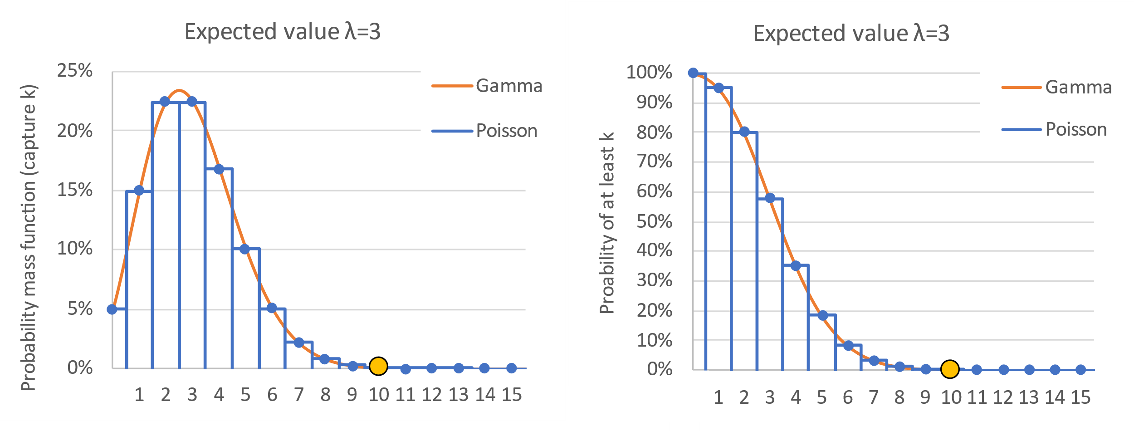

 |  |  |  |  |  |  |  | Illustration of the Poisson and Gamma distributions for expected value λ= | 3

It follows that capturing exactly 10 particles in a litre is possible at a whole range of actual environmental concentrations, but gets less likely the further away from 10 the expected value λ is.

The question can now be turned around from:
Knowing the expected value λ, "what is the probability of catching a particular integer number n particles?" to "Knowing that I caught exactly n particles, which range of λ could this have come from with a 95% certainty"

Returning to our example of the river, if we captured 45 particles in 5 litres, we might think that the river concentration was also 9 particles /L (i.e. 45 particles in 5L), but catching 45 particles in 5L when the actual concentration was sligthly higher or lower than 9 particles/L is also quite likely. Using the equations given in Tanaka et al., 2023 an interval can be calculated that contains the real river concentration with a chosen certainty.

Calculation of these confidence intervals is based on the approach from Tanaka et al., 2023 and a summary of the approach is reproduced below.

 | Figure 5: reproduced from Tanaka et al. 2023 "An analytical approach to confidence interval estimation of river microplastic sampling"
 | https://doi.org/10.1016/j.envpol.2023.122310

From this, we are able to compute the confidence intervals in our scenario at select significance levels (Tab 2 of the RSVP Tool - "2. Do reported values differ").
For example, at a significance level of 0.05, if we were to take 5L of sample and report a concentration of 9 MP/L, we would estimate the lower and upper confidence intervals to range from 6.57 MP/L to 12.04 MP/L.

 | Significance level | Confidence coefficient | In |  | Ic
 | α | (1-α)*100 | Lower limit total MPs | Upper limit total MPs | Lower limit MP/L | Upper limit MP/L | Width of the confidence intervals
 | 0.1 | 90% | 34.56 | 57.69 | 6.91 | 11.54 | 4.63
 | 0.05 | 95% | 32.82 | 60.21 | 6.56 | 12.04 | 5.48
 | 0.01 | 99% | 29.60 | 65.34 | 5.92 | 13.07 | 7.15
 | 0.001 | 99.9% | 26.14 | 71.63 | 5.23 | 14.33 | 9.10

If we imagine that this first sample came from a preliminary study and we now wanted to target capturing and measuring at least 50 particles in each sample (e.g. the recommended target number of particles to reduce sampling errors to within +/- 30%, Tanaka et al., 2023), we could use Part 1 of the RSVP Tool "1. Minimum volume predictor". Here, the volume needed to be collected next time we sampled, to achieve this target number of particles analysed, is estimated. If we wished to capture and analyse at least 50 particles, with 99% confidence (a significance level of 0.01) from a river containing 9 particles/L, then we would need to collect at least 7.54 L of water from the river.

 | Estimated concentration MP/L |  |  | 9
 | Minimum target number of particles to capture (k) |  |  | 50

 | Significance level | Probability of finding at least the target 50 particles |  | Expected number λ needed |  | Minimum sample size in L
 | 0.1 | 90.0% |  | 59.2 |  | 6.58
 | 0.05 | 95.0% |  | 62.2 |  | 6.91
 | 0.01 | 99.0% |  | 67.9 |  | 7.54
 | 0.001 | 99.9% |  | 74.7 |  | 8.30

