Table EV1
Table EV1. Sequencing Information and basic statistics

cell type | treatment | Replicate | platform | sequencing type | raw reads | aligned reads | aligned reads (%)
HMLE | - | 1 | HiSeq 2500 | PE-100bp | 224,745,634 | 214,474,173 | 95.43
HMLE | - | 2a | HiSeq 2500 | PE-100bp | 78,898,708 | 118,664,204 | 89.66
HMLE | - | 2b | HiSeq 2500 | PE-100bp | 53,446,400
HMLE | - | 3 | HiSeq 2500 | PE-100bp | 296,657,406 | 236,146,132 | 79.60
HMLE | TGF-β | 1 | HiSeq 2500 | PE-100bp | 175,586,004 | 166,831,961 | 95.01
HMLE | TGF-β + siNEG | 2 | HiSeq 2500 | PE-100bp | 146,688,462 | 138,565,193 | 94.46
HMLE | TGF-β + siNEG | 3 | HiSeq 2500 | PE-100bp | 156,314,774 | 142,188,738 | 90.96
HMLE | TGF-β + siQKI5 | 1 | HiSeq 2500 | PE-100bp | 156,071,430 | 149,076,420 | 95.52
HMLE | TGF-β + siQKI5 | 2 | HiSeq 2500 | PE-100bp | 135,809,236 | 125,119,385 | 92.13
HMLE | TGF-β + miR-200c | 1 | HiSeq 2500 | PE-100bp | 129,804,724 | 113,048,308 | 87.09
HMLE | TGF-β + miR-200c | 2 | HiSeq 2500 | PE-100bp | 125,228,302 | 111,676,339 | 89.18
 |  |  |  |  | Average | 151,579,085

Bias Corrected SVD
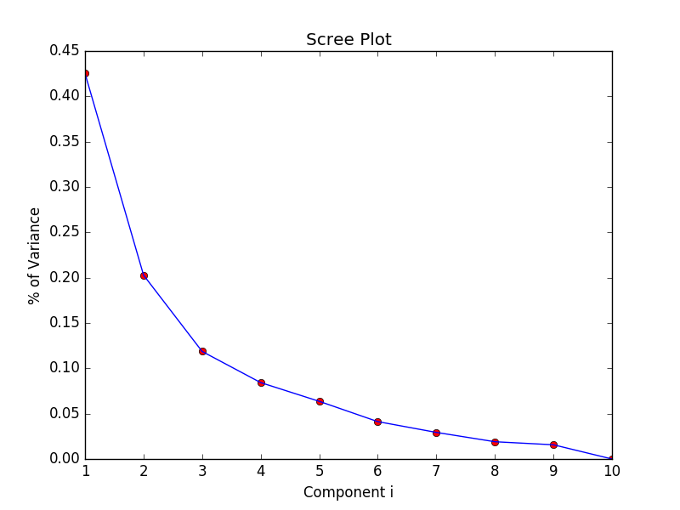
Component 1 (major component) accounts for around 45% of separation.
Components 2 and 3 account for about 17% and 12% respectively.
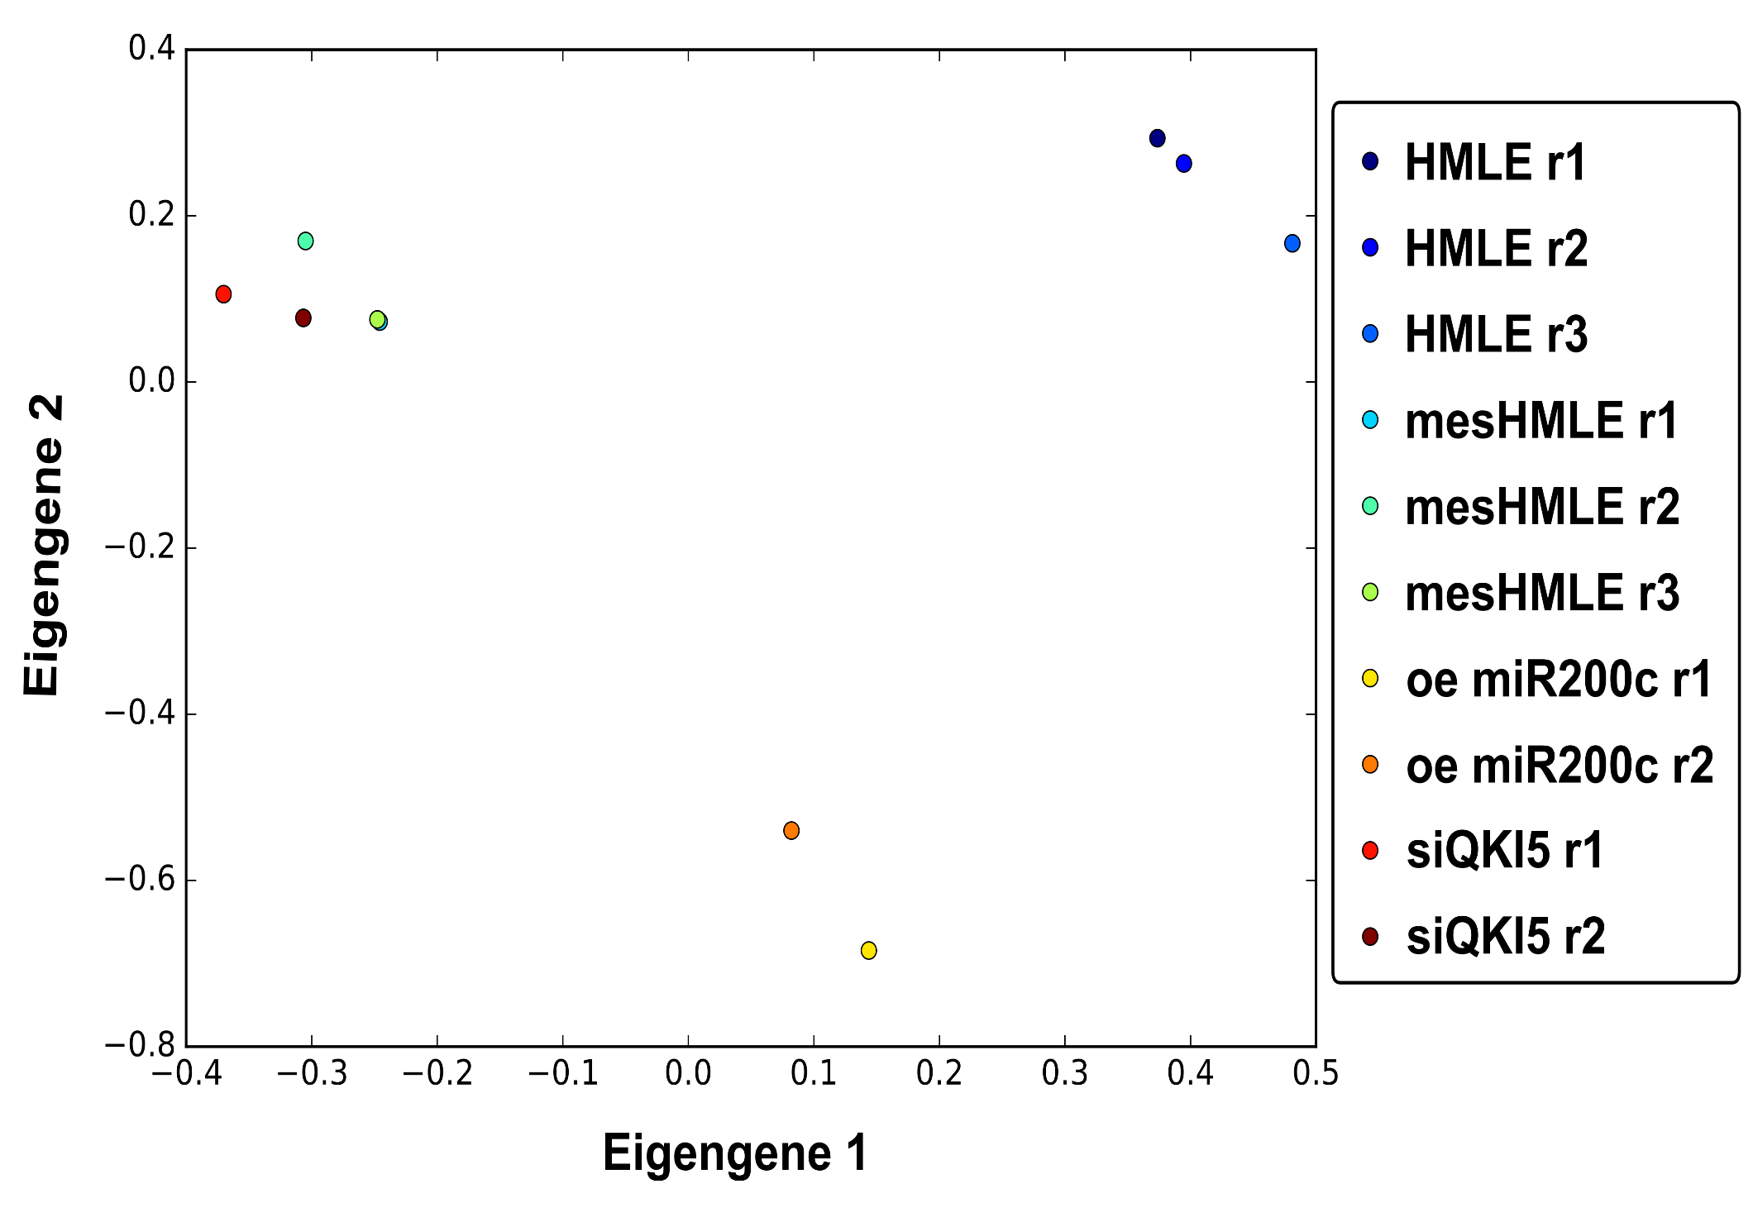
HMLE
mesHMLE
siQKI5
miR-200c

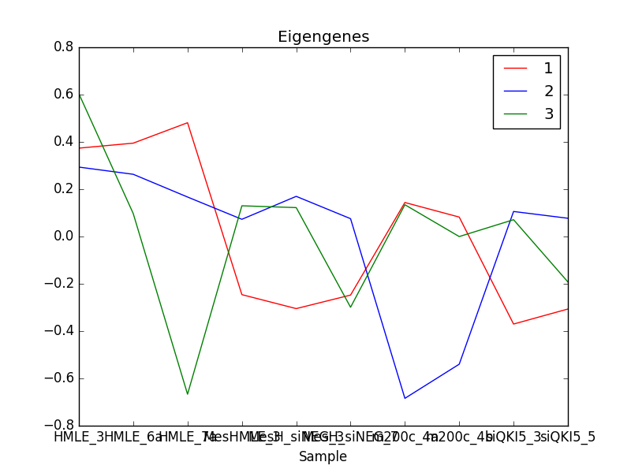
HMLE 3
HMLE 2
MesHMLE 3
oe200c 1
oe200c 2
siQKI5 1
siQKI5 2
separating oe200c from the rest
separating on sequencing round and prep date
separation on cell type and treatment
MesHMLE 2
MesHMLE 1
HMLE 1

HMLE 7

