ECT2-mCh Delta -N, -N3, -N3.2
Overlaps between sets of significantly more abundant proteins in wild type ECT2-mCh purifications compared to the deletion mutants DeltaN, DeltaN3 and DeltaN3.2

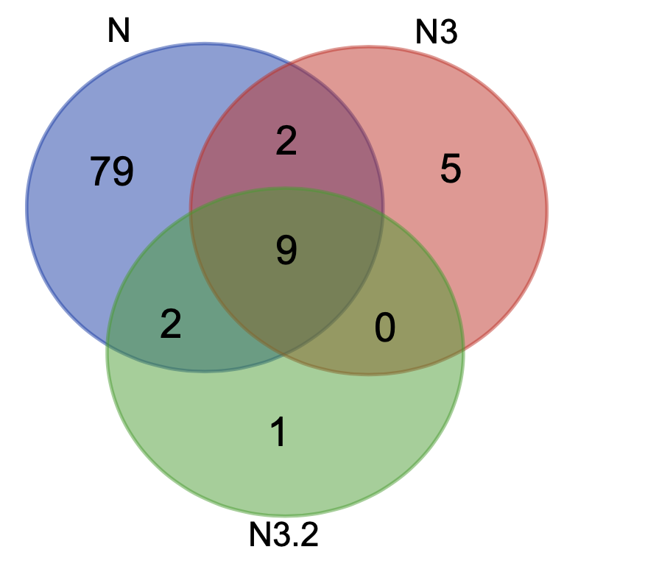
Overlap | Number of proteins | AGI | Gene name
Delta N-N3-N3.2 | 9 | AT1G49760 | PAB8 | Set 1
 |  | AT3G13860 | HSP60-3A
 |  | AT3G47650 | AT3G47650
 |  | AT1G55490 | CPN60B
 |  | AT2G33210 | HSP60-2
 |  | AT4G34110 | PAB2
 |  | AT2G28000 | CPN60A
 |  | AT3G23990 | HSP60
 |  | AT2G23350 | PAB4
Delta N-N3 | 2 | AT4G02940 | AT4G02940
 |  | AT5G07440 | GDH2
Delta N-N3.2 | 2 | AT1G29250 | AT1G29250
 |  | AT1G76010 | AT1G76010
Delta N3.2 only | 1 | AT5G55670 | AT5G55670
Delta N3 only | 5 | AT2G40140 | CZF1
 |  | AT3G13460 | ECT2
 |  | AT5G35630 | GS2
 |  | AT5G44780 | MORF4
 |  | AT4G35450 | AKR2
Delta N only | 79 | AT1G14710 | AT1G14710
 |  | AT5G14800 | P5CR
 |  | AT3G04840 | AT3G04840
 |  | AT1G70070 | EMB25
 |  | AT2G36620 | RPL24A
 |  | AT5G18180 | AT5G18180
 |  | AT1G23290 | RPL27AB
 |  | AT3G09630 | AT3G09630
 |  | AT1G59610 | DL3
 |  | AT5G38430 | RBCS1B
 |  | AT1G69620 | RPL34
 |  | AT5G28500 | AT5G28500
 |  | AT1G01080 | AT1G01080
 |  | AT1G35680 | RPL21C
 |  | AT3G07030 | AT3G07030
 |  | AT2G09990 | AT2G09990
 |  | AT3G06400 | CHR11
 |  | AT1G41880 | AT1G41880
 |  | ATCG00330 | rps14
 |  | AT5G15200 | AT5G15200
 |  | AT3G57150 | NAP57
 |  | AT1G51980 | AT1G51980
 |  | AT5G64260 | EXL2
 |  | AT2G34160 | AT2G34160
 |  | AT2G43030 | AT2G43030
 |  | AT1G72610 | GER1
 |  | AT2G47610 | AT2G47610
 |  | AT3G49910 | AT3G49910
 |  | AT5G42080 | DL1
 |  | AT5G20290 | AT5G20290
 |  | ATCG00160 | rps2
 |  | AT5G26742 | emb1138
 |  | AT1G74050 | AT1G74050
 |  | AT2G01250 | AT2G01250
 |  | ATCG00770 | rps8
 |  | ATCG00380 | rps4
 |  | AT1G18660 | AT1G18660
 |  | AT1G02780 | emb2386
 |  | AT3G04920 | AT3G04920
 |  | AT1G27400 | AT1G27400
 |  | AT1G20580 | AT1G20580
 |  | ATCG00900 | rps7-A
 |  | AT5G02870 | AT5G02870
 |  | AT5G20490 | XIK
 |  | AT5G08180 | AT5G08180
 |  | AT5G23740 | RPS11-BETA
 |  | AT3G48930 | EMB1080
 |  | AT5G20720 | CPN20
 |  | AT3G18600 | AT3G18600
 |  | ATCG00490 | rbcL
 |  | AT4G16720 | AT4G16720
 |  | AT2G28720 | AT2G28720
 |  | AT5G23060 | CaS
 |  | AT3G25520 | ATL5
 |  | AT2G18020 | EMB2296
 |  | AT5G07090 | AT5G07090
 |  | AT4G31780 | MGD1
 |  | ATCG00810 | rpl22
 |  | AT4G15000 | AT4G15000
 |  | AT1G20220 | AT1G20220
 |  | AT1G43170 | RP1
 |  | AT2G44210 | AT2G44210
 |  | AT1G09770 | CDC5
 |  | AT1G58380 | XW6
 |  | AT2G34480 | AT2G34480
 |  | AT3G13470 | Cpn60beta2
 |  | AT4G27500 | PPI1
 |  | AT3G62870 | AT3G62870
 |  | AT1G20960 | emb1507
 |  | AT3G24830 | AT3G24830
 |  | AT1G14320 | SAC52
 |  | ATCG01300 | rpl23
 |  | AT1G80750 | AT1G80750
 |  | AT5G38410 | RBCS3B
 |  | AT5G25230 | AT5G25230
 |  | AT1G67090 | RBCS1A
 |  | AT4G34830 | MRL1
 |  | AT1G12310 | AT1G12310
 |  | AT3G49010 | BBC1

HA-ECT2, ECT3-Venus, ECT1-F-TFP
Overlaps between sets of significantly more abundant proteins in wild type HA-ECT2, ECT3-Venus, and ECT1-FLAG-TFP vs. Mock

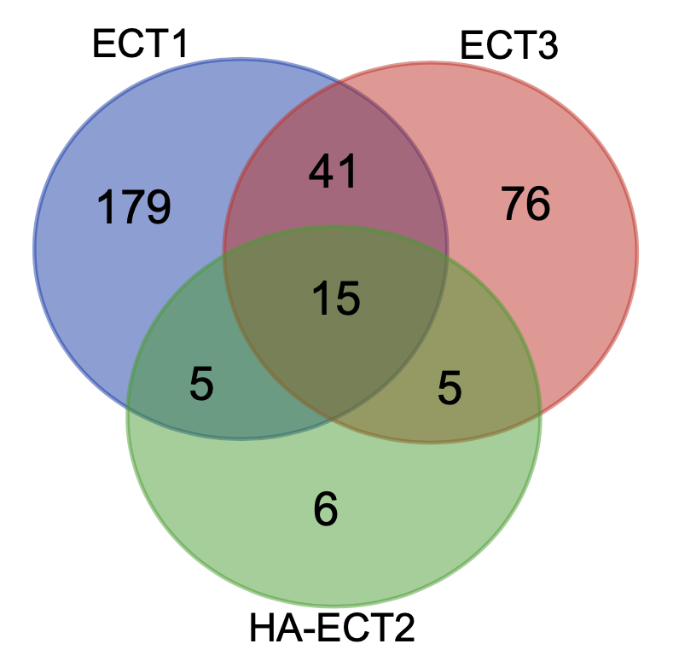
Overlap | Number of proteins | AGI | Gene name
ECT1-ECT3-ECT2 | 15 | AT3G04840 | AT3G04840
 |  | AT3G13860 | HSP60-3A
 |  | AT2G33210 | HSP60-2
 |  | AT5G02500 | HSC70-1
 |  | AT3G09440 | AT3G09440
 |  | AT1G20220 | AT1G20220
 |  | AT5G38410 | RBCS3B
 |  | AT1G67090 | RBCS1A
 |  | AT4G24280 | cpHsc70-1
 |  | AT3G13470 | Cpn60beta2
 |  | AT2G28000 | CPN60A
 |  | ATCG00490 | rbcL
 |  | AT1G29250 | AT1G29250
 |  | AT1G55490 | CPN60B
 |  | AT3G23990 | HSP60
ECT2-ECT3 | 5 | AT1G49760 | PAB8 | Set 2
 |  | AT2G23350 | PAB4
 |  | AT1G26910 | RPL10B
 |  | AT2G34160 | AT2G34160
 |  | AT4G34110 | PAB2
ECT1-ECT3 | 41 | AT2G27020 | PAG1
 |  | AT1G04410 | c-NAD-MDH1
 |  | AT3G44110 | J3
 |  | AT5G26742 | emb1138
 |  | AT2G07698 | AT2G07698
 |  | AT3G09680 | AT3G09680
 |  | AT5G07090 | AT5G07090
 |  | AT2G34480 | AT2G34480
 |  | ATCG00650 | rps18
 |  | AT2G41840 | AT2G41840
 |  | AT5G15200 | AT5G15200
 |  | AT5G17920 | ATMS1
 |  | AT1G66200 | GSR2
 |  | AT4G13940 | HOG1
 |  | AT1G65930 | cICDH
 |  | AT2G18020 | EMB2296
 |  | AT1G23290 | RPL27AB
 |  | AT1G13930 | AT1G13930
 |  | AT5G20290 | AT5G20290
 |  | AT5G02870 | AT5G02870
 |  | AT2G42740 | RPL16A
 |  | AT1G72370 | P40
 |  | AT4G30190 | HA2
 |  | AT1G76010 | AT1G76010
 |  | AT5G20010 | RAN-1
 |  | ATCG00500 | accD
 |  | AT5G18380 | AT5G18380
 |  | AT4G09800 | RPS18C
 |  | AT2G36160 | AT2G36160
 |  | AT5G08680 | AT5G08680
 |  | AT5G38480 | GRF3
 |  | AT1G33140 | PGY2
 |  | ATCG00470 | atpE
 |  | AT3G48930 | EMB1080
 |  | AT1G26880 | AT1G26880
 |  | AT3G25520 | ATL5
 |  | AT4G15000 | AT4G15000
 |  | AT1G04270 | RPS15
 |  | AT5G02490 | Hsp70-2
 |  | AT1G12310 | AT1G12310
 |  | AT5G27850 | AT5G27850
ECT1-ECT2 | 5 | AT5G56500 | Cpn60beta3
 |  | AT3G47650 | AT3G47650
 |  | AT1G09340 | CRB
 |  | AT3G13460 | ECT2
 |  | AT5G38430 | RBCS1B
ECT2 only | 6 | AT2G44210 | AT2G44210
 |  | AT5G07440 | GDH2
 |  | AT2G39540 | AT2G39540
 |  | AT1G55060 | UBQ12
 |  | AT1G14710 | AT1G14710
 |  | AT1G66280 | BGLU22
ECT3 only | 76 | AT5G37600 | GSR 1
 |  | AT2G21390 | AT2G21390
 |  | AT3G17940 | AT3G17940
 |  | AT5G67630 | AT5G67630
 |  | AT1G79340 | MC4
 |  | ATCG00350 | psaA
 |  | AT1G78570 | RHM1
 |  | AT5G43900 | MYA2
 |  | AT1G02780 | emb2386
 |  | ATCG00680 | psbB
 |  | AT3G04400 | emb2171
 |  | AT4G08320 | TPR8
 |  | AT4G28480 | AT4G28480
 |  | AT2G28720 | AT2G28720
 |  | AT3G02530 | AT3G02530
 |  | AT3G13530 | MAPKKK7
 |  | AT3G56130 | AT3G56130
 |  | AT2G37600 | AT2G37600
 |  | AT5G58290 | RPT3
 |  | AT3G49010 | BBC1
 |  | AT2G19730 | AT2G19730
 |  | AT3G20050 | TCP-1
 |  | AT2G47110 | UBQ6
 |  | AT3G18190 | AT3G18190
 |  | AT2G38750 | ANNAT4
 |  | AT5G61020 | ECT3
 |  | AT4G32260 | PDE334
 |  | AT3G52300 | ATPQ
 |  | AT3G18740 | RLK902
 |  | AT5G20890 | AT5G20890
 |  | AT5G09590 | MTHSC70-2
 |  | AT4G25550 | AT4G25550
 |  | AT3G60750 | AT3G60750
 |  | AT1G06950 | TIC110
 |  | ATMG00510 | nad7
 |  | AT4G34870 | ROC5
 |  | AT5G65220 | AT5G65220
 |  | AT5G22060 | J2
 |  | AT3G09630 | AT3G09630
 |  | AT3G60245 | AT3G60245
 |  | AT4G02770 | PSAD-1
 |  | AT4G04640 | ATPC1
 |  | AT1G72610 | GER1
 |  | AT3G55760 | AT3G55760
 |  | AT5G59850 | AT5G59850
 |  | AT5G10360 | EMB3010
 |  | AT1G09590 | AT1G09590
 |  | AT5G23120 | HCF136
 |  | AT4G25630 | FIB2
 |  | AT1G10590 | AT1G10590
 |  | AT5G52040 | RS41
 |  | AT3G23450 | AT3G23450
 |  | AT1G14950 | AT1G14950
 |  | AT4G27090 | AT4G27090
 |  | AT5G26360 | AT5G26360
 |  | AT5G12140 | CYS1
 |  | AT3G16640 | TCTP
 |  | AT2G37190 | AT2G37190
 |  | AT3G61110 | RS27A
 |  | AT2G27530 | PGY1
 |  | AT2G37660 | AT2G37660
 |  | AT5G22330 | RIN1
 |  | AT1G31812 | ACBP6
 |  | AT3G49910 | AT3G49910
 |  | AT3G02080 | AT3G02080
 |  | AT4G01050 | TROL
 |  | AT2G44120 | AT2G44120
 |  | AT3G47520 | MDH
 |  | AT5G09660 | PMDH2
 |  | AT3G55440 | TPI
 |  | AT3G11250 | AT3G11250
 |  | AT2G46280 | TRIP-1
 |  | AT5G39850 | AT5G39850
 |  | AT5G02450 | AT5G02450
 |  | AT1G24020 | MLP423
 |  | AT3G61260 | AT3G61260
ECT1 only | 179 | AT5G21274 | CAM6
 |  | AT1G30360 | ERD4
 |  | AT5G15650 | RGP2
 |  | AT1G22330 | AT1G22330
 |  | AT4G20890 | TUB9
 |  | AT2G31610 | AT2G31610
 |  | AT5G65010 | ASN2
 |  | ATCG00740 | rpoA
 |  | AT1G53850 | PAE1
 |  | AT3G08580 | AAC1
 |  | AT4G35090 | CAT2
 |  | AT5G14260 | AT5G14260
 |  | AT3G04790 | EMB3119
 |  | AT3G03950 | ECT1
 |  | AT2G47610 | AT2G47610
 |  | AT1G66580 | SAG24
 |  | AT1G79040 | PSBR
 |  | AT1G07920 | AT1G07920
 |  | AT5G42790 | PAF1
 |  | AT1G52230 | PSAH2
 |  | AT1G74050 | AT1G74050
 |  | AT4G18100 | AT4G18100
 |  | AT2G30860 | GSTF9
 |  | AT1G15690 | AVP1
 |  | AT4G38510 | VAB2
 |  | AT1G26230 | Cpn60beta4
 |  | AT5G65430 | GRF8
 |  | AT2G38230 | PDX1.1
 |  | AT3G22110 | PAC1
 |  | ATCG00120 | atpA
 |  | AT5G50850 | MAB1
 |  | AT3G08940 | LHCB4.2
 |  | AT3G12580 | HSP70
 |  | AT3G14420 | GOX1
 |  | AT2G38530 | LTP2
 |  | AT3G23820 | GAE6
 |  | AT3G47470 | LHCA4
 |  | AT1G09130 | AT1G09130
 |  | AT3G13920 | EIF4A1
 |  | AT1G15820 | LHCB6
 |  | AT1G56070 | LOS1
 |  | AT2G06850 | XTH4
 |  | AT4G09320 | NDPK1
 |  | AT1G04820 | TUA4
 |  | AT3G54850 | PUB14
 |  | AT4G23670 | AT4G23670
 |  | AT2G34430 | LHB1B1
 |  | AT5G09810 | ACT7
 |  | AT3G07110 | AT3G07110
 |  | AT2G36620 | RPL24A
 |  | AT4G40030 | AT4G40030
 |  | AT5G67360 | ARA12
 |  | AT4G08390 | SAPX
 |  | AT1G47128 | RD21A
 |  | AT5G12250 | TUB6
 |  | AT5G49360 | BXL1
 |  | AT1G11910 | APA1
 |  | AT4G31700 | RPS6
 |  | AT5G08050 | AT5G08050
 |  | AT3G60770 | AT3G60770
 |  | AT1G09630 | RAB11c
 |  | AT1G60740 | AT1G60740
 |  | AT4G37870 | PCK1
 |  | AT1G31330 | PSAF
 |  | AT2G39010 | PIP2E
 |  | AT4G37930 | SHM1
 |  | ATCG00170 | rpoC2
 |  | AT1G12900 | GAPA-2
 |  | AT5G26860 | LON1
 |  | AT3G04120 | GAPC1
 |  | AT1G06220 | MEE5
 |  | AT4G03280 | PETC
 |  | AT2G21330 | FBA1
 |  | AT5G14040 | PHT3;1
 |  | AT1G08360 | AT1G08360
 |  | AT5G10450 | GRF6
 |  | AT1G78850 | AT1G78850
 |  | AT1G43170 | RP1
 |  | AT1G29920 | CAB2
 |  | AT4G38970 | FBA2
 |  | AT1G02500 | SAM1
 |  | AT1G58380 | XW6
 |  | AT3G17390 | MTO3
 |  | ATCG00190 | rpoB
 |  | AT3G26650 | GAPA
 |  | ATCG00280 | psbC
 |  | AT3G54890 | LHCA1
 |  | AT4G14800 | PBD2
 |  | AT1G56450 | PBG1
 |  | AT1G78630 | emb1473
 |  | AT1G18540 | AT1G18540
 |  | AT2G47730 | GSTF8
 |  | ATCG00020 | psbA
 |  | AT1G01080 | AT1G01080
 |  | AT1G01620 | PIP1C
 |  | AT5G19780 | TUA5
 |  | AT3G14415 | GOX2
 |  | AT1G30580 | AT1G30580
 |  | AT2G21170 | TIM
 |  | AT2G13360 | AGT
 |  | AT1G62660 | AT1G62660
 |  | AT1G80410 | EMB2753
 |  | AT1G11860 | AT1G11860
 |  | AT3G22630 | PBD1
 |  | AT3G20820 | AT3G20820
 |  | AT1G49240 | ACT8
 |  | AT3G51260 | PAD1
 |  | AT3G27430 | PBB1
 |  | ATCG00580 | psbE
 |  | AT3G14990 | DJ1A
 |  | AT5G20630 | GER3
 |  | AT3G54400 | AT3G54400
 |  | AT1G78900 | VHA-A
 |  | AT1G56110 | NOP56
 |  | AT5G18820 | Cpn60alpha2
 |  | AT4G34450 | AT4G34450
 |  | AT5G20490 | XIK
 |  | ATCG01110 | ndhH
 |  | AT1G80480 | PTAC17
 |  | AT5G20720 | CPN20
 |  | AT2G38270 | CXIP2
 |  | AT5G56000 | Hsp81.4
 |  | AT1G53750 | RPT1A
 |  | AT4G23895 | AT4G23895
 |  | AT2G33040 | ATP3
 |  | AT1G61520 | LHCA3
 |  | AT5G62690 | TUB2
 |  | AT4G13930 | SHM4
 |  | AT3G60820 | PBF1
 |  | ATCG00790 | rpl16
 |  | AT3G47070 | AT3G47070
 |  | AT3G22640 | PAP85
 |  | AT4G31300 | PBA1
 |  | AT3G15000 | RIP1
 |  | AT4G39090 | RD19
 |  | AT1G79210 | AT1G79210
 |  | AT3G53870 | AT3G53870
 |  | AT2G05100 | LHCB2.1
 |  | AT2G05580 | AT2G05580
 |  | AT5G59970 | AT5G59970
 |  | AT5G25460 | DGR2
 |  | AT3G09790 | UBQ8
 |  | AT1G74470 | AT1G74470
 |  | AT1G13060 | PBE1
 |  | ATCG00800 | rps3
 |  | AT5G03300 | ADK2
 |  | AT3G09900 | RABE1e
 |  | AT5G35590 | PAA1
 |  | AT2G36830 | GAMMA-TIP
 |  | AT3G55360 | CER10
 |  | ATCG00380 | rps4
 |  | AT3G61080 | AT3G61080
 |  | AT3G02560 | AT3G02560
 |  | AT5G01530 | LHCB4.1
 |  | AT5G57655 | AT5G57655
 |  | ATCG00270 | psbD
 |  | AT1G72150 | PATL1
 |  | AT4G24190 | SHD
 |  | AT5G64040 | PSAN
 |  | AT5G47040 | LON2
 |  | AT4G16720 | AT4G16720
 |  | AT4G09000 | GRF1
 |  | AT1G03230 | AT1G03230
 |  | AT2G18960 | HA1
 |  | AT5G19990 | RPT6A
 |  | AT2G26080 | GLDP2
 |  | AT1G22300 | GRF10
 |  | AT3G61430 | PIP1A
 |  | ATCG00540 | petA
 |  | AT3G52880 | MDAR1
 |  | AT1G20200 | EMB2719
 |  | AT5G03340 | AtCDC48C
 |  | AT1G43670 | FBP
 |  | AT3G06730 | TRX z
 |  | ATCG01310 | rpl2
 |  | AT3G24830 | AT3G24830
 |  | AT1G36240 | AT1G36240
 |  | AT1G29670 | AT1G29670
 |  | AT3G15730 | PLDALPHA1

