Analysis criteria
Whole Exome Sequnecing (WES)
Tumor/normal analysis
Application
Enrichment | Nextera FLEX Exome
Sequencing | NextSeq HighOutput
Alignment | bwa mem
 | picardtools
 | GATK ApplyBQSR
Variant calling | GATK Mutect2
 | GATK FilterMutectCalls
Annotation | ANNOVAR
Filter
Versions
bwa: 0.7.17-r1188
GATK: 4.1.0.0-0
Picard Version: 2.18.25; HTSJDK Version: 2.18.2 (wird von Picard verwendet)
PicardTools MarkDuplicatesWithMateCigar: 2.18.26-SNAPSHOT
samtools 1.9; htslib 1.9 (wird von samtools verwendet)
bamtools 2.4.0
ANNOVAR vergessen: Version vom 16. April 2018
Variant prioritzing
Quality | PASS | KEEP
Region | Exonic/Splice | KEEP
Function | Synonymous | FILTER
VAF | Missense <0.2 | FILTER
VAF | Frameshif<0.05 | FILTER

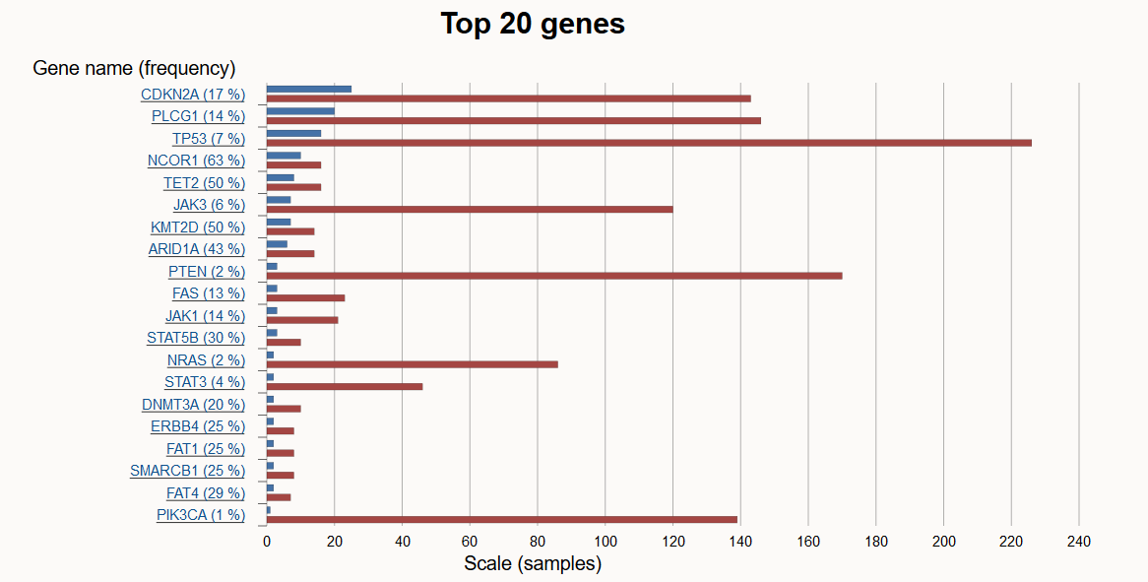
Genes frequently mutated in Sezary syndrome |  |  | TOP20 mutated genes according to COSMIC
Gene | Chr
JAK1 | 1
JAK3 | 19
STAT5A | 17
STAT5B | 17
STAT3 | 17
STAT1 | 2
PLCG1 | 20
P53 | 17
NCOR1 | 20
cMYC | 8
ARID1A | 1
ARID5B | 10
DNMT3A | 20
DNMT3B | 20
PTEN | 10
BRAF | 7
CDKN2A | 9

Mutations in genes frequently mutated in Sezary syndrome are marked in red
UV signature Mutations CC>TT are marjed in blue, C>T subtitions at dipyrimiden site are not indicated
The Cancer Gene Census (CGC) is an ongoing effort to catalogue those genes which contain mutations that have been causally implicated in cancer
https://cancer.sanger.ac.uk/census

